How To
Spreadsheet Data
Do NOT Sort data. It is okay to Filter.

In IAP order, fill in resource data for Columns B, D-O, and P for aircraft.
Ground values auto-fill in Column P.

Note in Column AK clarifying info or when resource info came from other sources besides the IAP (WildCAD, IA IC 214, EIS, dispatch, OSC, etc.)

Starting a New Cost Appt Spreadsheet
Use the most recent version of the spreadsheet, which is posted on our SW IBC website and saved in our FireNet.
Add _FireName to the end of the Spreadsheet.
In SWCG IBC FireNet Team, Cost Apportionment Channel, make a folder with the name of the fire and save the SS in there.
Only incident business personnel involved with ongoing apportionment should be given access to the Cost Appt Channel.

On the first line of the Summary tab, enter the fire's Name & Incident Order #.
This information will automatically fill in the second line of the Cost Appt Spreadsheet tab, all 3 columns.

Saving the Spreadsheet
Always work directly on the Cost Appt SS saved in the main Cost Apprortionment folder for the fire.
FireNet automatically saves work.
At the end of each day when the CAT is done entering on the SS, save a copy with _YYMMDD on the end in an Old folder.
Closeout of this historical backup copy, and start working off of the main SS the next monring.

Enter new Period # & Date
On the Summary tab in chronolocgical order, fill in at least Column A, B & C and D, E & F if applicable, for each period from the Corrected IAPs.
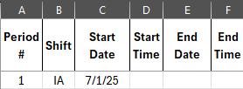

This will fill in the Period #, Shift & Date on the Cost Apportionment spreadsheet.

If a Corrected IAP covers more than 1 shift (Day/Night), column B on the Cost Appt Spreadsheet tab can be overwritten for resource lines.
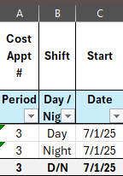

Cummulative daily values and percentages by agency will auto fill into the Summary tab for each day.
The Summary tab can be provided at daily CAT meetings to keep AAs apprised of current status.

Hide the Resource Type on the Summary or Spreadsheet if not needed.

Before Making Changes (like adding rows or additional periods)
Under the Review tab, Unprotect Sheet

After Making Changes - to avoid writing over formulas
Under the Review tab, Protect Sheet

Leave the Password field BLANK

Add more rows
Highlight data lines in that period, and Copy.

Click on a middle data line, and Insert Copied Cells.
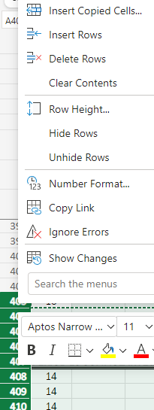

Add New Period
Copy the previous period data lines and the 3 total/carryover lines.
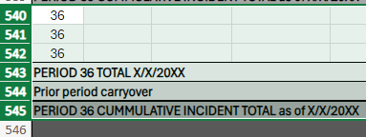

Insert Copied Cells beneath the last period.
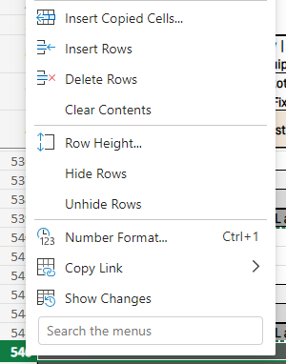

Add new Period Total cell to the formula in 1 of Federal & State Ground or Air Value Cells, then copy & paste formula to the other 3 cells.

Column I - Agency
Be concise & consistent with Agency names. Use their unit IDs without the dash when possible, and other common acronyms (like IHC for hotshots)
For example, Alpine FD = APN.

#VALUE! Error
Don't panic, this one should be easy to fix.
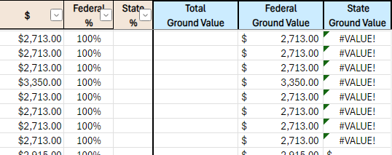

Fill the blank percentage fields with Zeros.
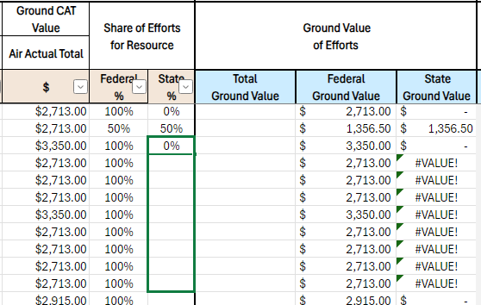

You can go back and delete the zeros, and the #VALUE! error won't reappear.

Save a Copy

For reference purposes, in the DailySpreadsheets folder.

Put the Appt Period XX_ in front of the document title, and add the date to the end of it.

Example: 05_CostApportionment_SandStone_20240730

Go back to the main spreadsheet to begin work on the next period.

To Print

The Daily tab is set up to be Printer Friendly.

It's set to Legal sized paper, so that it is most legible. Change to Letter if you don't have legal sized paper.

The document is 2 Sheets of legal paper wide.

Columns A-C & Rows 2-7 will print on all pages.

Copy to Daily Methodology Sheet

Copy and paste the datafrom the Spreadsheet onto Daily Methodlogy Sheets for the AAs to sign.

The Spreadsheet should be in IAP Division Order. The Daily Methodlogy Sheets follows the same order.

There's a different section for each share, what is 100% State or Fed and what is split.

Aircraft & Retardant is listed by Rotor & Fixed, what is 100% and what is split.

Pivot Tables
There are 2 tabs with some pivot tables to help us look for inconsistencies.

DOScheck (Dates of Service) will help you see what date each resource starts & stops, and if they have any gaps or dups.

ValueCheck will ensure that each ground resource type is conveying the correct CAT value.

Always refesh the pivot table data, by clicking on the pivot table. Go to PivotTable Analyze in the Data Tab, click on the Refresh icon.
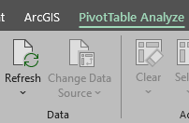

There's 1 pivot table in the DOScheck, and 2 pivot tables in ValueCheck (one showing maximum & one showing minimum value).

