HowTo
AD Batch Tracker
as of 2/26/2026
Intent
This tool provides for standardized information input for Incident Management Teams and Home Unit Incident Business Contacts
and also provides for better tracking of invoices that have been submitted for payment processing.

List
Don't enter any data in the List worksheet.
The List worksheet tab is formatted to pull data that is input into the individual Batch Tabs.
On the List, the Incident #, Incident Name, Batch #, Full Invoice # & Date fields fill in when an Invoice # is entered on a batch tab.
The other List columns fill in when those fields are entered on a batch tab - ECI #, Casual Name, Interim/Final, Travel Include Y/N, Date.
The Invoice Number is the full #. It combines the Incident Order # from the Batch and the Invoice # last 5 characters.
See List columns K-L if the Tracker's invoice naming convention needs to be adjusted.
This sheet is Protected without a password, to prevent the formulas from being deleted.

Batch Tabs
The spreadsheet has been pre-loaded with 75 Batch Tabs.

Header
To begin, go to Batch Tab 1 and enter header information
Header: | DATE (Cell B2) - Enter date that batch was submitted to payment center
 | INCIDENT NAME (Cell B3) - Enter Incident Name
 | FINANCIAL CODE (Cell B4) - Enter Financial Code
 | INCIDENT NUMBER (Cell B5) - Incident Order # (example NM-SNF-000028)
 | BATCH NUMBER (Cell B6) - The 3-digit Batch Number prefills from the sheet's tab order
 | # OF INVOICES ATTACHED (Cell B7) - Include up to 10 invoices per batch
 | IMT ASSIGNED (Cell D1) - IMT Name, if applicable
 | IMT CONTACT NAME (Cell D2) - IMT Contact Name Submitting batch
 | IMT CONTACT EMAIL (Cell D3) - IMT Contact Email
 | IMT CONTACT PHONE (Cell D4) - IMT Contact Phone Number
 | HOME UNIT NAME (Cell D5) - Home Unit Incident Business Contact Name
 | HOME UNIT EMAIL (Cell D6) - Home Unit Incident Business Contact Email
 | HOME UNIT PHONE (Cell D7) - Home Unit Incident Business Phone Number

Batch Info
Enter Batch information for each invoice, example:
 | ECI# | Casual Name | Invoice # last 5 characters | Dates of Service | Interim/Final | Travel Included
 | ex: 83645 | Frank Finance | F-2021-MT-BDF-006124-0015A | 07/15-08/02 | Final | Y
The Interim/Final has a pull-down menu for the two choices, start typing I or F and you can tab to prefill the whole word.
The Travel Included has a pull-down menu for the two choices, start typing Y or N and you can tab to prefill the whole word.

Batch Tab
The Tab number at the bottom can be Colored after it's used, to help indicate which Tab number should be used for the next batch.
Right click on the Tab, choose Tab Color, and select the same color each time.
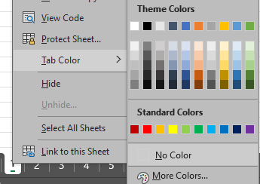

Batch Folder
Create a specific Batch subfolder in FireNet within incident Finance Channel > 4_TIME > 01_Batches
Current NWCG naming convention for batch folder is: Incident#‐Batch#_YYMMDDM
 | Example: MT‐LNF‐001234‐AD001_220301
Always use a 3 digit identifier so they sort chronologically in FireNet .

Saving
Convert to PDF - On the Batch tab, go to File, Print, Printer - Select "Export as PDF" or "Microsoft Print to PDF", click Print
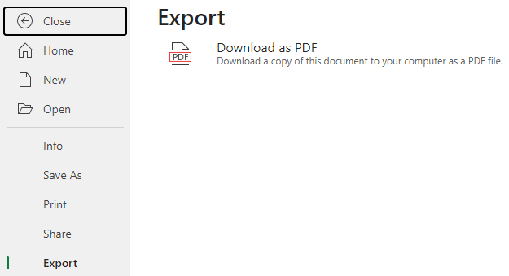
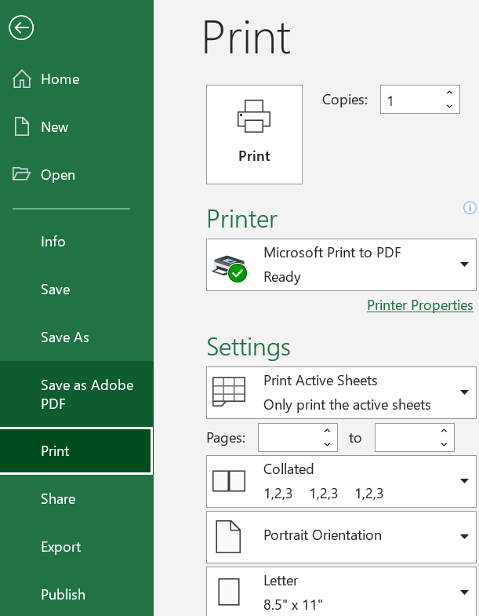

File Name
Follow current NWCG guidance to name file - CoverSheet_Batch#_YYMMDD
Example: CoverSheet_ MT‐LNF‐001234‐AD001_YYMMDD

Signing
Signature may be required for DOI payment processing.
Utilizing Adobe PDF "Fill & Sign" tool is an easy way to add a signature if needed.
The USFS ASC does not require a signature on the AD cover sheet.

Complete Batch folder
Save the Cover Sheet PDF and 1 PDF per invoice package submitted in the Batch folder.
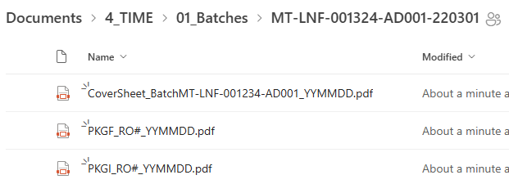

Hide Unneeded Rows
To minimize blank space, on the List tab highlight the rows in the batch that were not needed.
Right click, and select Hide. Do not delete the rows.

Search
To Search for a RO# or Vendor on List, Select List tab, "Ctrl + F", then type in search box.
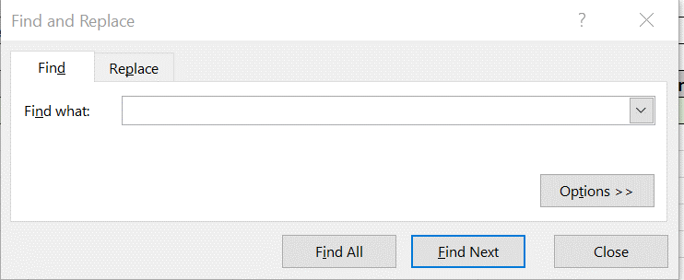

Filter
Utilize the filters on the List column headers to find things.
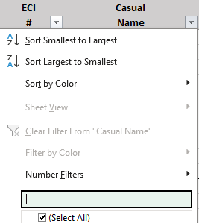

Scroll Through Tabs
Clicking on the right or left carat at the bottom left of the screen will move through batch tabs individually.
Using left click + CTRL with the right carat will display a range of tabs including the last one. Click on any tab to select the sheet.
Using left click + CTRL with the left carat will display a range of tabs including the first one. Click on any tab to select the sheet.

Find a Batch Tab
To Search for a specific Batch Tab, right click on the sheet navigation button to the left of the sheet tabs at the bottom of the workbook.

A list of the tab names and numbers will be displayed. All tabs are available in the list via the sroll bar on the right.
Click on the desired sheet name or number in the list, then click OK at the bottom of the box to jump to that sheet.
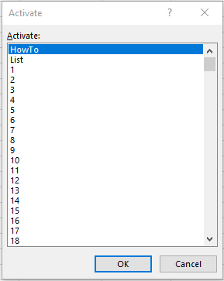

Multiple Incidents
The List tab includes Columns A & B to reflect the batch incident name and number for GACC level support invoicing multiple incidents.
If not needed, the columns can be hidden by selecting both, right-clicking the shaded area, and choosing "Hide" from the menu shown.
To "Unhide" the columns, click at the top of Column C, move the mouse to the left over the list of line numbers,
right-click in the shaded area and choose "Unhide".
