HowTo
AD Batch Tracker
(as of 3/8/2024)

Intent
To standardize Batch Log information input for Incident Management Teams and Home Unit Finance Contacts.
This tool will provide better tracking of invoices that have been submitted to payment centers.

List
The List worksheet tab is formatted to pull data that is input into the individual Batch Tabs.
Don't enter any data in the List worksheet.

Batch Tabs
The spreadsheet has been pre-loaded with 75 Batch Tabs.

Header
To begin, go to Batch Tab 1 and enter header information
Header: | DATE (Cell B1) - Enter date that batch was submitted to payment center
 | INCIDENT NAME (Cell B2) - Enter Incident Name
 | FINANCIAL CODE (Cell B3) - Enter Financial Code
 | INCIDENT NUMBER (Cell B4) - Incident Order # (example NM-SNF-000028)
 | BATCH NUMBER (Cell B5) - The 3-digit Batch Number prefills from the sheet's tab order
 | # OF INVOICES ATTACHED (Cell B6) - Attach up to 10 invoices per batch
 | IMT CONTACT NAME (Cell D1) - IMT Contact Name Submitting batch
 | IMT CONTACT EMAIL (Cell D2) - IMT Contact Email
 | IMT CONTACT PHONE (Cell D3) - IMT Contact Phone Number
 | HOME UNIT NAME (Cell D4) - Home Unit Finance Contact Name
 | HOME UNIT EMAIL (Cell D5) - Home Unit Finance Contact Email
 | HOME UNIT PHONE (Cell D6) - Home Unit Finance Contact Phone Number

Batch Info
Enter Batch information for each invoice, example:
 | ECI# | Casual Name | Invoice Number | Dates of Service | Interim/Final | Travel Included
 | ex: 83645 | Frank Finance | F-2021-MT-BDF-006124-0015A | 07/15-08/02 | Final | Y

Batch Folder
Create a specific Batch subfolder in FireNet within incident Finance Channel > 4_TIME > 01_Batches
Current NWCG naming convention for batch folder is: Incident#‐Batch#_YYMMDDM
 | Example: MT‐LNF‐001234‐AD001_220301
Always use a 3 digit identifier so they sort chronologically in FireNet .

Saving
Convert to PDF - On the Batch tab, go to File, Print, Printer - Select "Export as PDF" or "Microsoft Print to PDF", click Print
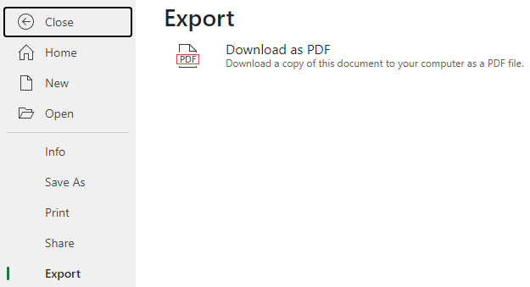
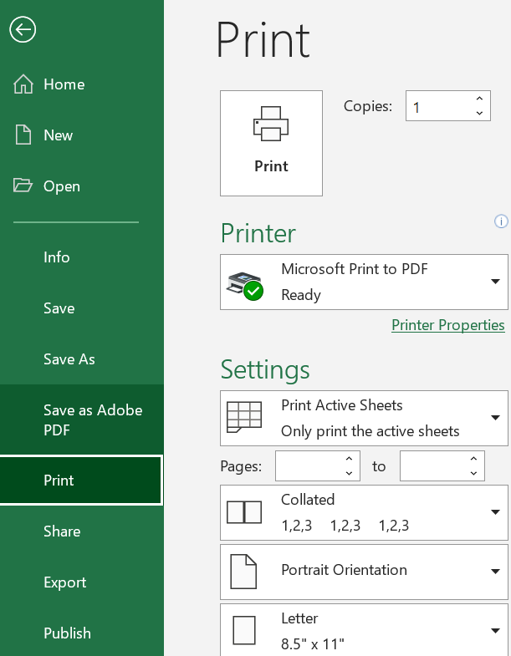

File Name
Follow current NWCG guidance to name file - CoverSheet_Batch#_YYMMDD
Example: CoverSheet_001_YYMMDD

Signing
Certify Invoices are "true and correct" and sign name to PDF - Utilizing Adobe PDF "Fill & Sign" tool is an easy way
(Signature required for DOI Payment Agencies and Commercial Invoices submitted to ASC)

Complete Batch folder
Save the Cover Sheet PDF and 1 PDF per invoice package submitted in the Batch folder.
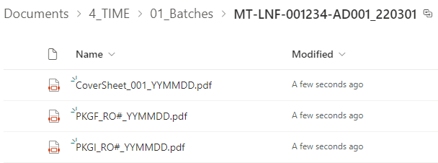

Search
To Search for a RO# or Vendor on List, Select List tab, "Ctrl + F", then type in search box.
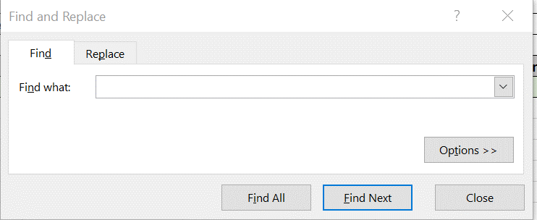

Filter
Utilize the filters on the column headers.
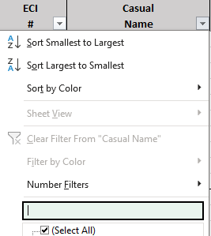

Scroll Through Tabs
Press Ctl + > to scroll to the first tab, press Ctrl + > to scroll to the last tab

Find a Batch Tab
To Search for a specific Batch Tab, right click on the sheet navigation button to the left of the sheet tabs at the bottom of the workbook.

This will pull up a list of the tab names and you can select which one you need to jump to.
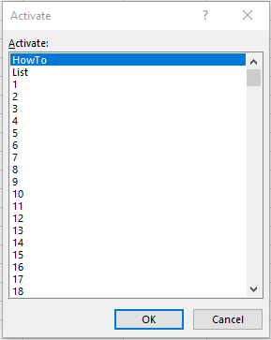

Multiple Incidents
The List tab has a Column H & I that can be unhidden to reflect the batch incident name and number.
These were intended for finance being done at a GACC level invoicing multiple incidents.

